Sheet1
Distribution Unlimited Co. Minimum Cost Flow Problem

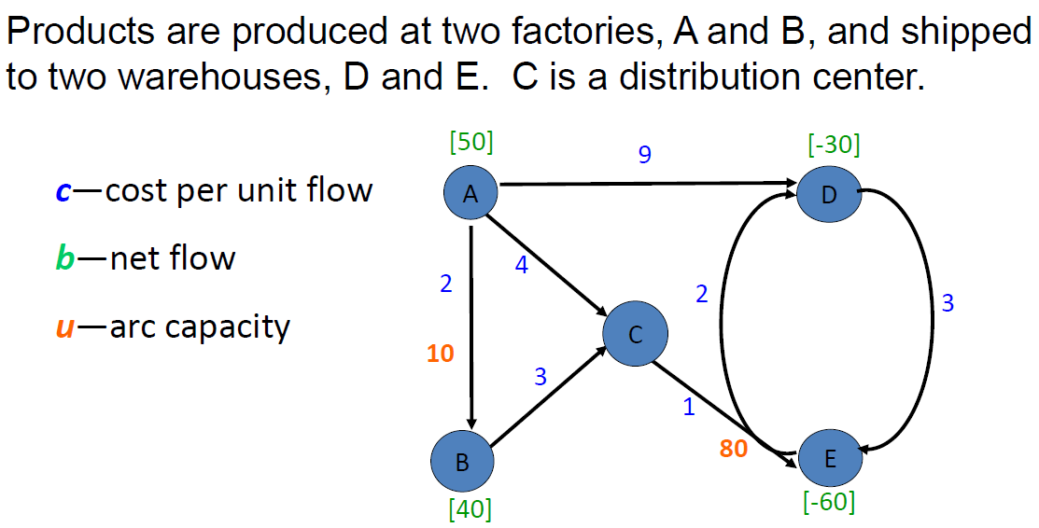
 | From | To | Ship |  | Capacity | Unit Cost | Nodes | Net Flow |  | Supply/Demand
 | A | B | 0 | <= | 10 | 2 | A | 50 | = | 50
 | A | C | 40 |  |  | 4 | B | 40 | = | 40
 | A | D | 10 |  |  | 9 | C | 0 | = | 0
 | B | C | 40 |  |  | 3 | D | -30 | = | -30
 | C | E | 80 | <= | 80 | 1 | E | -60 | = | -60
 | D | E | 0 |  |  | 3
 | E | D | 20 |  |  | 2

 |  | Total Cost | 490

